Sheet1
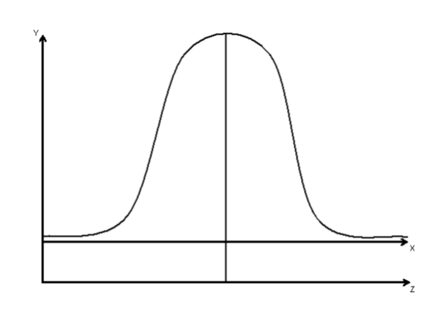
10,000
20,000
30,000
2.5%
2.5%
95%
97.5%
MANAGERIAL REPORT

Forecast Demand would be between $10,000 and $20,000
Lowest : | 10,000
Highest : | 30,000 |  |  | Revenue : | 24
Average : | 20000 |  |  | Cost : | 16
 |  |  |  | Profit : | 8
Z Score : | 1.9599639845 |  |  | Salvage : | 5
Std : | 5102.1345692 |  |  | Loss : | 11
x-µ : | 10,000

Demand
Qty Ordered | 10000 | 20000 | 30000 | p(InStock) | p(OutStock)
15000 | 25000 | 120000 | 120000 | 0.16354750385 | 0.83645249615
18000 | -8000 | 144000 | 144000 | 0.34753176801 | 0.65246823199
24000 | -74000 | 116000 | 192000 | 0.78347571825 | 0.21652428175
70%
30%
70% chance meeting demand and 30% chance of stock outs
28000 | -118000 | 72000 | 224000 | 0.94155607169 | 0.058443928311

Order Qty | 22675.561984
Demand : | 10000 | 20000 | 30000
Total cost 16 | 362808.99174 | 362808.99174 | 362808.99174
sales at 24 | 240000 | 480000 | 544213.48762
surplus at $5 | 63377.80992 | 13377.80992 | 0
Profit : | -59431.181824 | 130568.81818 | 181404.49587

Order Quantity Suggestion : Should maintain between 20,000 to 25000 quantity.

Order Qty | 25000
Demand : | 10000 | 20000 | 30000
Total cost 16 - | 400000 | 400000 | 400000
sales at 24 | 240000 | 480000 | 600000
surplus at $5 | 75000 | 25000 | 0
Profit : | -85000 | 105000 | 200000

